PERT Example-1
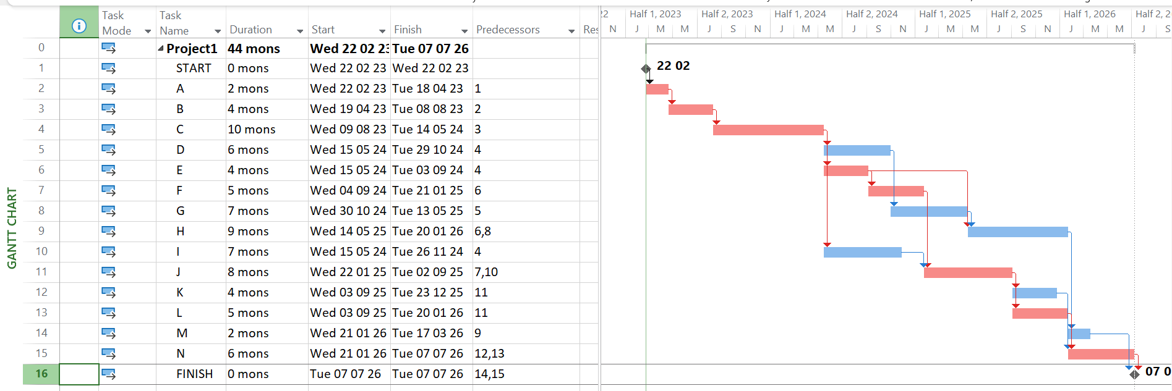
 | Time Estimates (In Weeks)
Activity | O | M | P | PERT | VAR | CP
START | 0 | 0 | 0 | 0 | 0 | * | PERT = | 44
A | 1 | 2 | 3 | 2 | 0.11111111111 | * | VAR = | 9
B | 2 | 3.5 | 8 | 4 | 1 | * | DeadLine = | 47
C | 6 | 9 | 18 | 10 | 4 | * | Probability = | 0.84134474607
D | 4 | 5.5 | 10 | 6 | 1 |  |  | 0.84134474607
E | 1 | 4.5 | 5 | 4 | 0.44444444444 | *
F | 4 | 4 | 10 | 5 | 1 | *
G | 5 | 6.5 | 11 | 7 | 1
H | 5 | 8 | 17 | 9 | 4
I | 3 | 7.5 | 9 | 7 | 1
J | 3 | 9 | 9 | 8 | 1 | *
K | 4 | 4 | 4 | 4 | 0
L | 1 | 5.5 | 7 | 5 | 1 | *
M | 1 | 2 | 3 | 2 | 0.11111111111
N | 5 | 5.5 | 9 | 6 | 0.44444444444 | *
FINISH | 0 | 0 | 0 | 0 | 0 | *

PERT Example-2
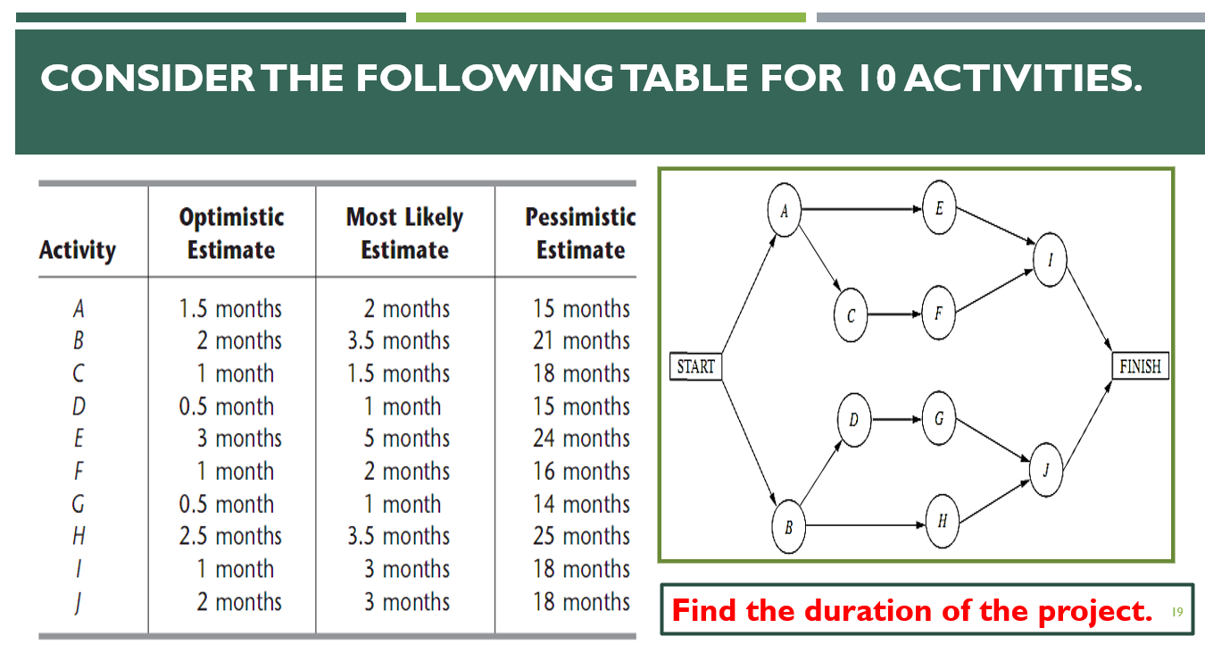
 | Task Durations (In Months)
Activity | O | M | P | PERT | PERT (Round) | PERT (Round) | PERT (Ceil) | PERT (Floor) | VAR | Path-1 | Path-2 | Path-3 | Path-4 | PERT = | 18
START | 0 | 0 | 0 | 0.0000 | 0 | 0 | 0 | 0 | 0.0000 | * | * | * | * | VAR = | 31.201388889
A | 1.5 | 2 | 15 | 4.0833 | 4 | 4 | 5 | 4 | 5.0625 | * | * |  |  | Deadline = | 20
B | 2 | 3.5 | 21 | 6.1667 | 6 | 6 | 7 | 6 | 10.0278 |  |  | * | *
C | 1 | 1.5 | 18 | 4.1667 | 4 | 4 | 5 | 4 | 8.0278 |  | * |  |  | Probability = | 0.63984685285
D | 0.5 | 1 | 15 | 3.2500 | 3 | 3 | 4 | 3 | 5.8403 |  |  | *
E | 3 | 5 | 24 | 7.8333 | 8 | 8 | 8 | 7 | 12.2500 | *
F | 1 | 2 | 16 | 4.1667 | 4 | 4 | 5 | 4 | 6.2500 |  | *
G | 0.5 | 1 | 14 | 3.0833 | 3 | 3 | 4 | 3 | 5.0625 |  |  | *
H | 2.5 | 3.5 | 25 | 6.9167 | 7 | 7 | 7 | 6 | 14.0625 |  |  |  | *
I | 1 | 3 | 18 | 5.1667 | 5 | 5 | 6 | 5 | 8.0278 | * | *
J | 2 | 3 | 18 | 5.3333 | 5 | 5 | 6 | 5 | 7.1111 |  |  | * | *
FINISH | 0 | 0 | 0 | 0.0000 | 0 | 0 | 0 | 0 | 0.0000 | * | * | * | *
 |  |  |  |  |  |  |  |  |  | 17 | 17 | 17 | 18

Correlation & Regression
Attendance vs. Final Grade Marks
 | Student | x | y | x*y | x^2 | y^2
 | A | 6 | 82 | 492 | 36 | 6724
 | B | 2 | 86 | 172 | 4 | 7396
 | C | 15 | 43 | 645 | 225 | 1849
 | D | 9 | 74 | 666 | 81 | 5476
 | E | 12 | 58 | 696 | 144 | 3364
 | F | 5 | 90 | 450 | 25 | 8100
 | G | 8 | 78 | 624 | 64 | 6084
 |  | 57 | 511 | 3745 | 579 | 38993

 | n = | 7 |  |  | x | y'
 | r = | -0.94421517069 |  |  | 10 | 66.273631841
 | r = | -0.94421517069 |  |  | 14 | 51.786069652
 | r = | -0.94421517069
(Intercept) | a = | 102.49253731 |  |  | r^2 = | 0.89154228856
(Slope) | b = | -3.6218905473
(Intercept) | a = | 102.49253731
(Slope) | b = | -3.6218905473

